Sheet1
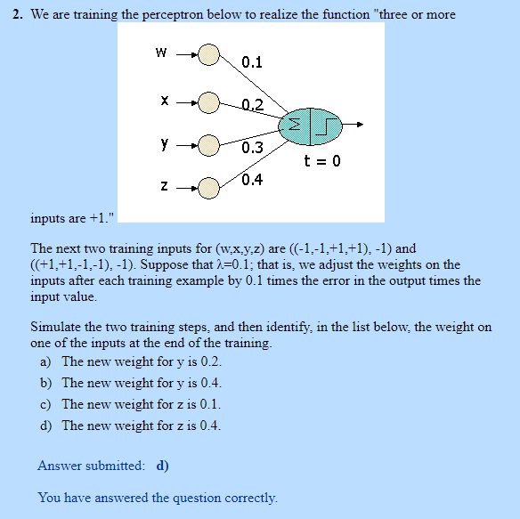
 | input | old | lambda | error | new
w | -1 | 0.1 | 0.1 | -2 | 0.3 | w
x | -1 | 0.2 | 0.1 | -2 | 0.4 | x
y | 1 | 0.3 | 0.1 | -2 | 0.1 | y
z | 1 | 0.4 | 0.1 | -2 | 0.2 | z

 | input | new | lambda | error | new
w | 1 | 0.3 | 0.1 | -2 | 0.1 | w
x | 1 | 0.4 | 0.1 | -2 | 0.2 | x
y | -1 | 0.1 | 0.1 | -2 | 0.3 | y
z | -1 | 0.2 | 0.1 | -2 | 0.4 | z

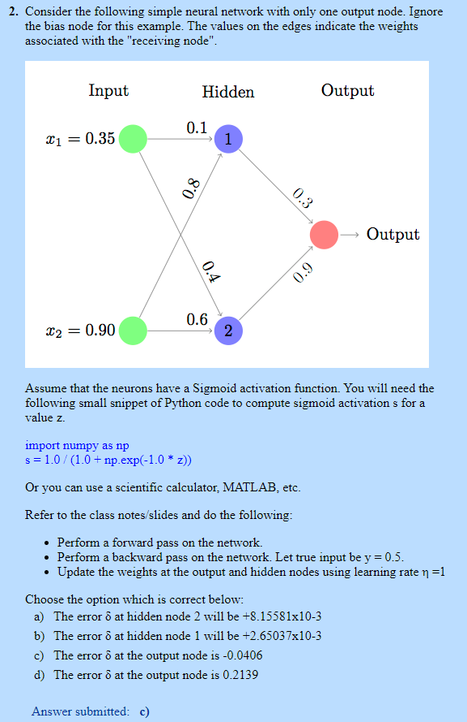
 | Input | weights1 | weights2 | z1
 | 0.35 | 0.1 | 0.4 | 0.755
 | 0.9 | 0.8 | 0.6 | 0.68

 | Input | Hidden node 1 | Hidden node 2
 | 0.35 | 0.1 | 0.4
 | 0.9 | 0.8 | 0.6
 | net | 0.755 | 0.68
 | Z | 0.6802671967 | 0.6637386974
 | Weights | 0.3 | 0.9
 | net 0 | 0.80144498667
 | O | 0.69028349291
 | Actual O | 0.5
 | Error O | -0.19028349291
 | Delta O | -0.040681125112
 | Learning Rate | 1
 | New weights | 0.27232596506 | 0.87299836301

 | Hidden Unit
 | Delta j | -0.0026091920772 | -0.0078275762317
 | new Hidden W | 0.099086782773 | 0.39908678277
 |  | 0.79765172713 | 0.59765172713

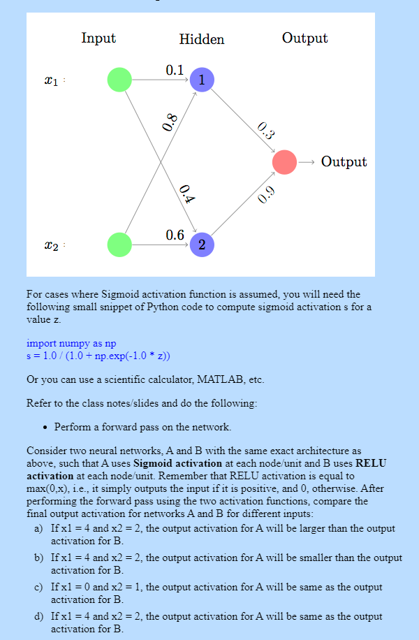

 |  | Neural network - A (sigmoid activation) |  |  |  | Neural network - A (ReLu activation)
 | Input | weights1 | weights2 | z1 |  | Input | weights1 | weights2 | z1
 | 0.35 | 0.1 | 0.4 | 0.755 |  | 0.35 | 0.1 | 0.4 | 0.755
 | 0.9 | 0.8 | 0.6 | 0.68 |  | 0.9 | 0.8 | 0.6 | 0.68

 | Input | Hidden node 1 | Hidden node 2 |  |  | Input | Hidden node 1 | Hidden node 2
 | 4 | 0.1 | 0.4 |  |  | 4 | 0.1 | 0.4
 | 2 | 0.8 | 0.6 |  |  | 2 | 0.8 | 0.6
 | net | 2 | 2.8 |  |  | net | 2 | 2.8
 | Z | 0.88079707798 | 0.9426758241 |  |  | Z | 2 | 2.8

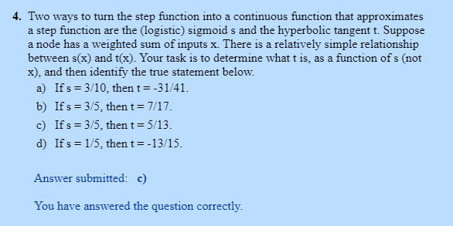

 | sigmoid | tanh | tanh
 | 0.3 | -0.68965517241 | -0.75609756098
 | 0.6 | 0.38461538462 | 0.41176470588
 | 0.6 | 0.38461538462 | 0.38461538462
 | 0.3 | -0.68965517241 | -0.86666666667

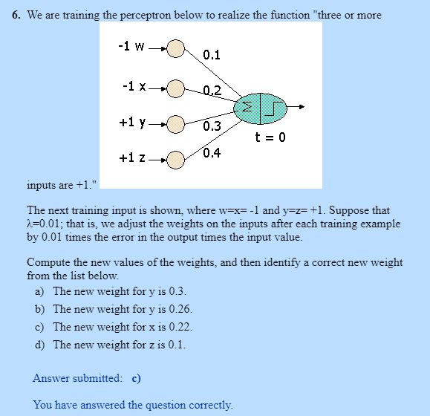
 | Q5
 | input | old | lambda | error | new
 | -1 | 0.1 | 0.01 | -2 | 0.12 | w
 | -1 | 0.2 | 0.01 | -2 | 0.22 | x
 | 1 | 0.3 | 0.01 | -2 | 0.28 | y
 | 1 | 0.4 | 0.01 | -2 | 0.38 | z

